Bug Report API
Defect Report |  | Defect Report |  | Defect Report |  | Defect Report

Title | Not able to delete service | Title | Not able to view available Slots | Title | Not able to add booked | Title | Not able to view booked
Description | When use request (delete) to delete a one service give me a response code (200 ok) but the service not deleted when call it again using request (get) | Description | When use request (get) for avilableSlots to give me all data a respone code is(200 ok) but not give me any data | Description | When use request (post) to add booked give me responce code (200 ok) but not give me any data for booked | Description | When use request (get) to view booked a response code is (200 ok) but not view me any data for booked
Steps | Use requesr (DELETE) and enter parameters data (companyId & ServiceName) and click on send button | Steps | Use request (Get) enter parameter data (resourceName, serviceName, date) and click send button | Steps | Enter paramters data (resourceName & serviceName & startTime) and click on send button | Steps | Use requset (get) and enter parameters data (resourceName & serviceName) and click on send butoon
Expected Results | Service Deleted Successfully | Expected Results | Response code (200 ok) and give me all available slots | Expected Results | Responce code (200 ok) and give me all data booked | Expected Results | View all booked and response code is (200 ok)
Actual Result | Service Deleted Successfully but the service not deleted | Actual Result | Response code (200 ok) without give me any data | Actual Result | Responce code (200 ok) not give me any data booked | Actual Result | The responcse code is (200 ok) but not view me any data
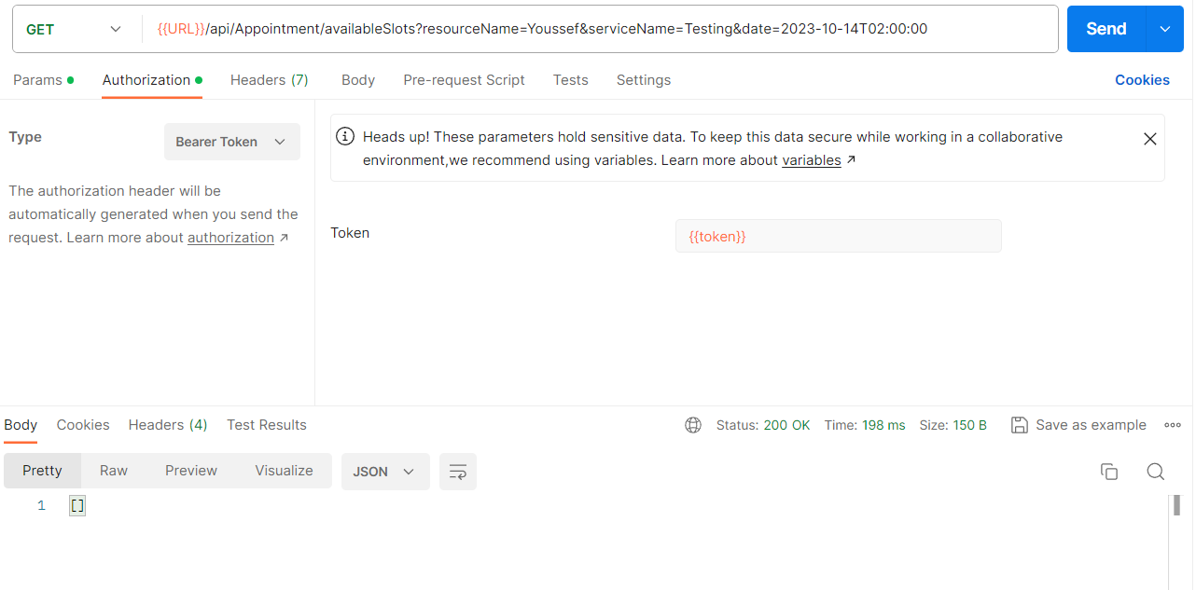
Environment | Postman v10.19.2 | Environment | Postman v10.19.2 | Environment | Postman v10.19.2 | Environment | Postman v10.19.2
Screenshot/video | 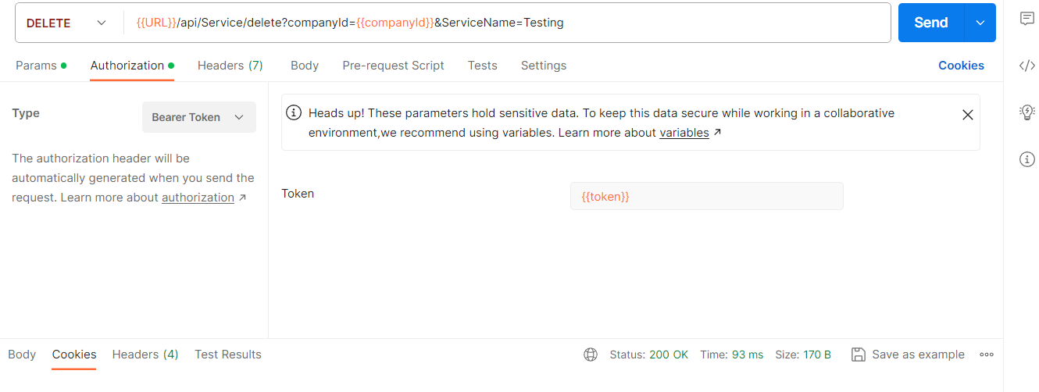 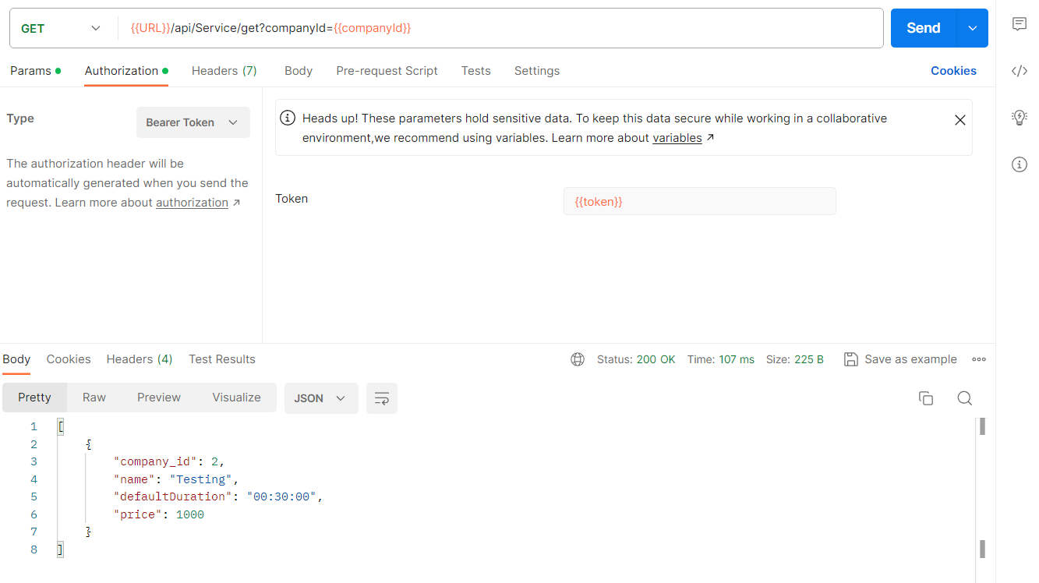 | Screenshot/video |  | Screenshot/video | 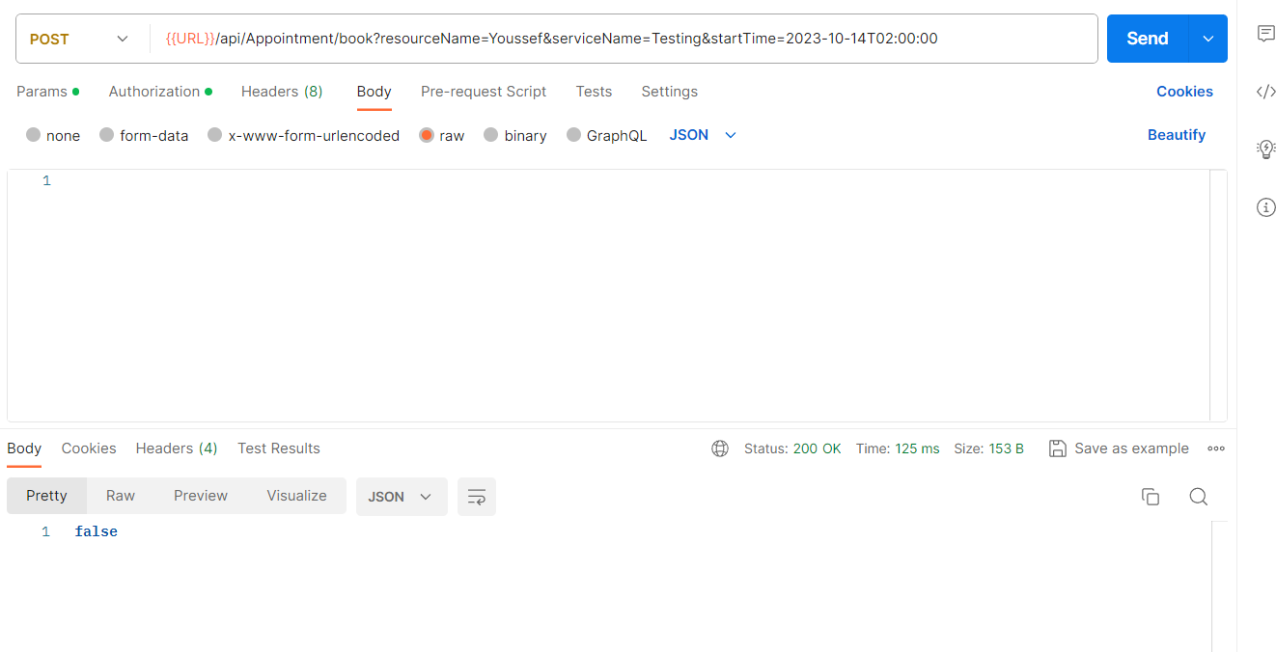 | 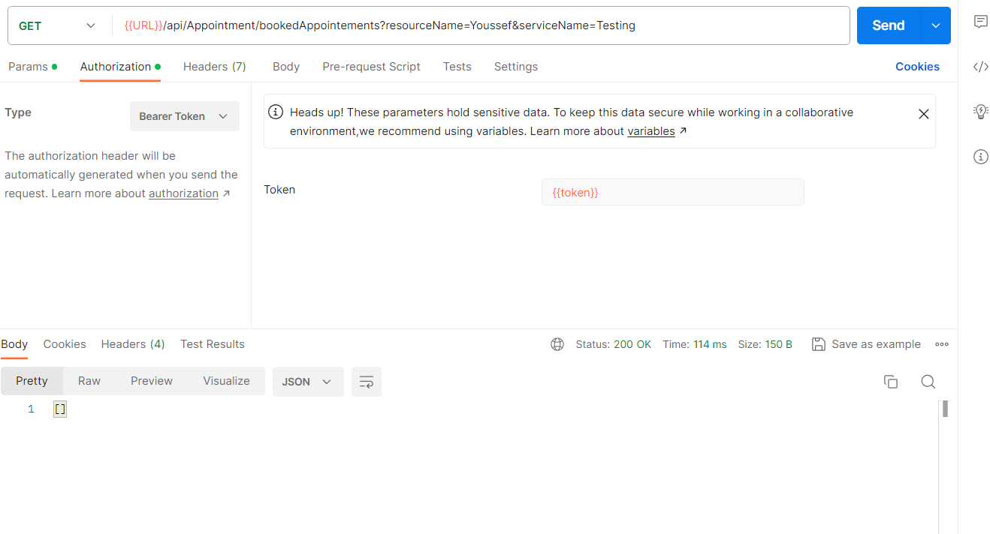 Screenshot/video
Rate | 2023-05-05 | Rate | 2023-05-05 | Rate | 2023-05-05 | Rate | 2023-05-05
Priority | Highest | Priority | Highest | Priority | Highest | Priority | Highest
Status | Ready To Test | Status | Ready To Test | Status | Ready To Test | Status | Ready To Test

Defect Report |  | Defect Report

Title | Not able to test app | Title | Get resources
Description | When use request (Get) to test app not give me response code (404 not found) | Description | When use request (Get) and enter parameter (companyId) & withot enter parameter and click on send key get me all resources
Steps | Use request (Get) and enter parameter data (key) and click on send button | Steps | Use request (Get) and enter parameter data (companyId) and click on send button
Expected Results | Response code is (200 ok) | Expected Results | Response code is (200 ok)
Actual Result | Response code is (404 not found) | Actual Result | Response code is (200 ok)
Environment | Postman v10.19.2 | Environment | Postman v10.19.2
Screenshot/video | 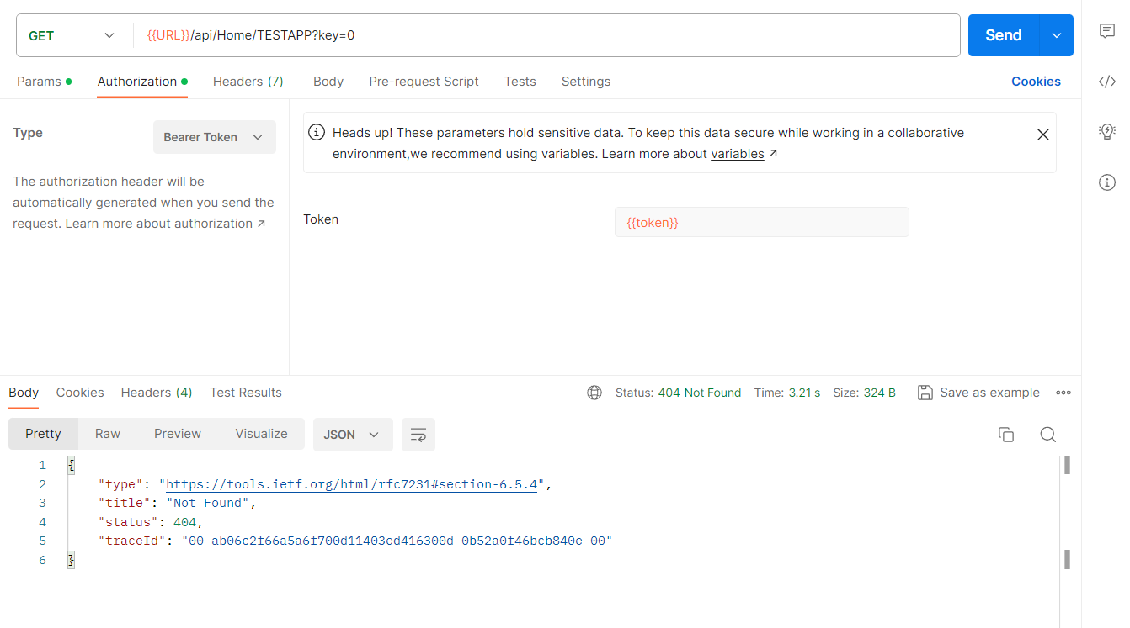 | Screenshot/video
Rate | 2023-05-05 | Rate | 2023-05-05
Priority | Highest | Priority | Highest
Status | Ready To Test | Status | Ready To Test

